PNB (Alcohol)
DATE | INV NO. | DESCRIPTIONS | QTY | BILLS | UNIT PRICE | SUB TOTAL | TOTAL
15-Jan-2026 | SPNB6011336 | MANCINO SECCO 750 ML | 2 | 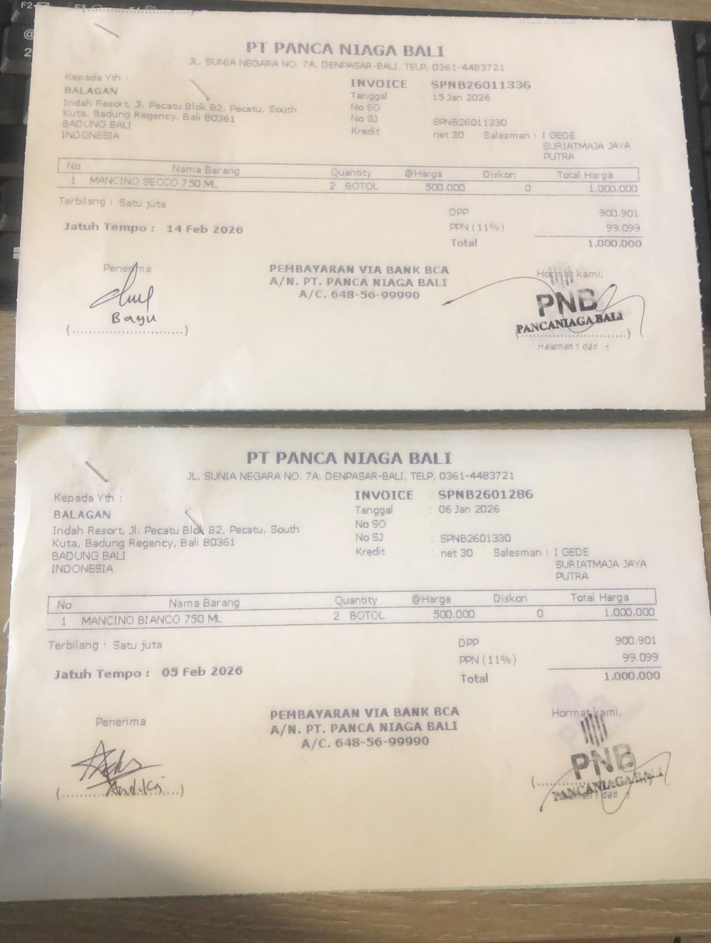 | IDR 500,000 | IDR 1,000,000 | IDR 1,000,000
15-Jan-2026 | SPNB6011336 | MANCINO SECCO 750 ML | 2 | 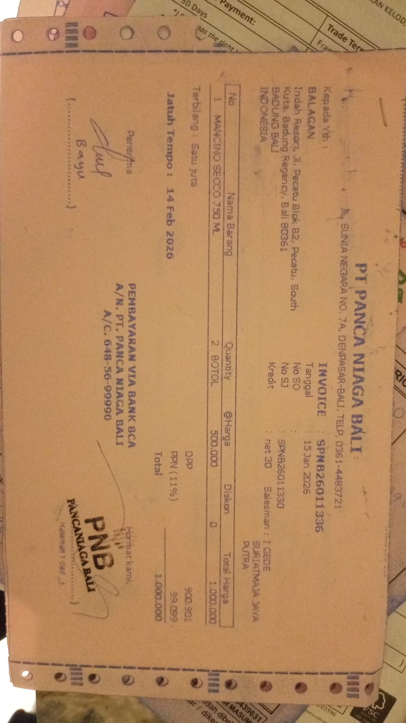 | IDR 500,000 | IDR 1,000,000 | IDR 1,000,000
 |  |  |  |  |  | IDR -
 |  |  |  |  |  | IDR -
 |  |  |  |  |  | IDR - | IDR -
 |  |  |  |  |  |  | Rp2,000,000

